General
For very good examples, see capstone projects and exercises of Udemy course
Data Warngling in Python (Ultimate cheat sheet)
Command
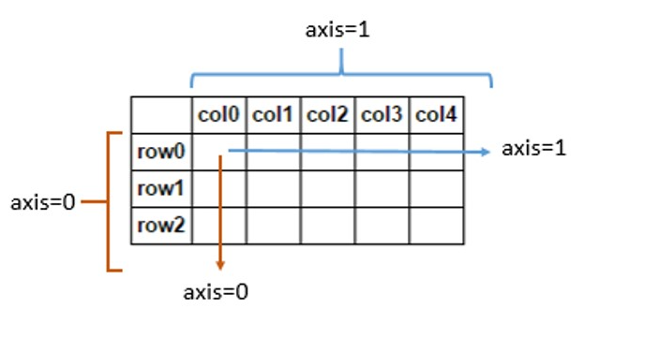
Run a cell | Shift + enter or ctrl + Enter
Run a cell + insert a new cell | Alt + enter
quick access to what a function or a variable is | shift + tab

Command | Output
"This is number {one} and okay {two}".format(one = num, two = var) | "This is number 12 and okay x"

Access anything from any data type, using []
.split('deliminator'): returns a list | a.split(',')
You can also select the index after making the split (because the output of .split is a list) | a.split(',')[1]

General Data strcutures in Python
List | []
Similar to cell

Dictionary | {}
Similar to structure | d = {'key1':'item1','key2':'item2'}

Tuples | ()
You cannot mutate tuples

Sets | {}
Set of values. Can be not uniques | {1,2,3,1,2,1,2,3,3,3,3,2,2,2,1,1,2}

Machine learning
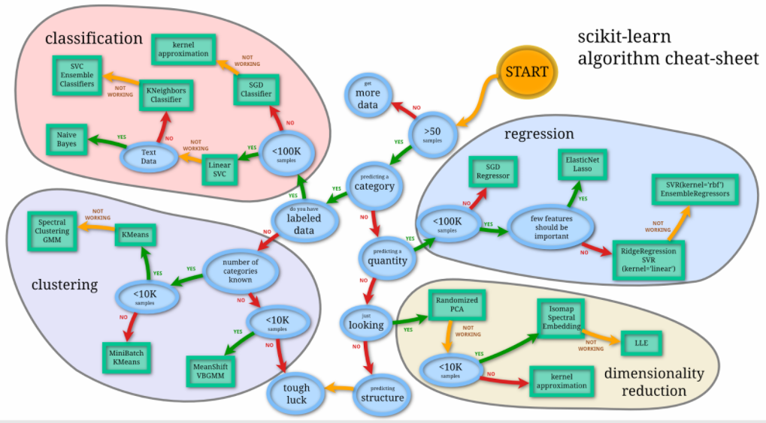
library: SciKit learn
General:
To split the data
from sklearn.model_selection import train_test_split
For Supervised learning
model.fit(X, Y) | Train model
model.predict(X_new) | Gives prediced value
model.predict_proba(X_new) | (for classification) Probability that a new observation would have in each category
model.predict_score(X_new) | (for classification & regression) Score that a new observation would have, between 0 to 1
For Unsupervised learning
model.fit(X) | Train model
model.predict(X_new) | Predict the cluster for a new observation
model.transform(X_new) | To transfor a new data to the new basis
model.fit_transform() | Train model by transforming to a new basis

Standardizing
from sklearn.preprocessing import StandardScaler
scaler = StandardScaler() | Make the instance for the standardization
scaler.fit(df['columns you want to be standardized']) | Fit the standardization
scaled_features = scaler.transform(df['columns you want to be standardized']) | Transform the features with the standardization
Then you can make a dataframe out of it: df_feat = pd.DataFrame(scaled_features,columns=....)
Evaluate
For Classification
from sklearn.metrics import classification_report, confusion_matrix
For Regression
from sklearn import metrics

To convert a column of a dataframe to a categorical format so Python can understand that
sex = pd.get_dummies(train['Sex'],drop_first=True) | drop_first is added so the first column is dopped, otherwise you'd have for example two columns of Female and Male where based on one column, you can always tell the other. In other words, one column is the perfect predictor of the other
final_data = pd.get_dummies(loans,columns='name of the column which you want to be catrgorical',drop_first=True) | This will creat a larger dataset off of the original one, where the target column is transformed into one or multiple categorical columns

Grid Search
Sometimes when the model take different hyperparamters, we need to itereate over different combinations to find what works best. This idea of creating a 'grid' of parameters and just trying out all the possible combinations is called a Gridsearch,
from sklearn.model_selection import GridSearchCV
grid = GridSearchCV(model name(),grid of parameters (which should be a dictionary),refit=True,verbose=3) where grid of parameters is the grid of different parameters you want to explore | e.g.: param_grid = {'C': [0.1,1, 10, 100, 1000], 'gamma': [1,0.1,0.01,0.001,0.0001], 'kernel': ['rbf']} (should be a dectionary) grid = GridSearchCV(SVC(),param_grid,refit=True,verbose=3) grid.fit(X_train,y_train)
then to get the best combination of the parameters: | grid.best_params_

Make artificial data
from sklearn.datasets import make_blobs
# Create Data
data = make_blobs(n_samples=200, n_features=2,
centers=4, cluster_std=1.8,random_state=101)

Pipeline
When you want to create a pipeline of workflow to process, transform and fit models | from sklearn.pipeline import Pipeline
It basically includes the steps you wanna take in the workflow for training a model, rather than doing those steps one by one manually ourself | Example:
Sea scikit learn documents for more info on it | pipeline = Pipeline([
 | ('bow', CountVectorizer(analyzer=text_process)), # strings to token integer counts
 | ('tfidf', TfidfTransformer()), # integer counts to weighted TF-IDF scores
 | ('classifier', MultinomialNB()), # train on TF-IDF vectors w/ Naive Bayes classifier
 | ])
 | pipeline.fit(X_train,y_train)

